DashBoard
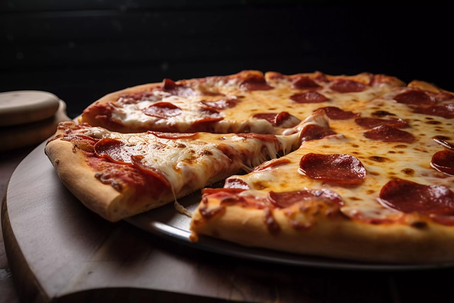
Boosting Pizza Sales Dashboard.
Meet Daniel, the owner of "D'Global's Pizzeria".
Daniel has been running his pizzeria for the past five years in a bustling neighborhood. While his pizzas are loved by locals, He always felt there was more he could do to optimize his operations and boost sales. That's when he decided to implement a Pizza Sales Dashboard to get a clearer picture of his business performance. This Dashboard Provides insight regarding ;
Quater Sales Trend
Order by Pizza Category
Order by Pizza
Daily Order

SALES DASHBOARD enabling informed decision-making to drive the growth of Pizza sales

$329,330
19970
$16
TOTAL SALES
TOTAL QUANTITY
19587
TOTAL ORDER
AVERAGE SALES

Quaterly Sales Trend
 | Total
January | $29,609
February | $27,495
March | $27,993
April | $29,676
May | $23,988
June | $28,097
July | $27,636
August | $27,977
September | $27,964
October | $26,968
November | $27,756
December | $24,170
Order by Pizza Type
 | Total
The Hawaiian Pizza | 999
The Pepperoni Pizza | 985
The Barbecue Chicken Pizza | 982
The California Chicken Pizza | 957
The Classic Deluxe Pizza | 951
The Thai Chicken Pizza | 930
The Italian Supreme Pizza | 806
The Southwest Chicken Pizza | 788
The Four Cheese Pizza | 778
The Spicy Italian Pizza | 778
The Sicilian Pizza | 745
The Big Meat Pizza | 742
The Prosciutto and Arugula Pizza | 624
The Mexicana Pizza | 610
The Vegetables + Vegetables Pizza | 605
The Five Cheese Pizza | 596
The Spinach and Feta Pizza | 595
The Italian Capocollo Pizza | 593
The Pepper Salami Pizza | 577
The Greek Pizza | 549
The Napolitana Pizza | 548
The Pepperoni, Mushroom, and Peppers Pizza | 540
The Green Garden Pizza | 419
The Chicken Alfredo Pizza | 407
The Italian Vegetables Pizza | 396
The Spinach Pesto Pizza | 385
The Spinach Supreme Pizza | 383
The Chicken Pesto Pizza | 382
The Soppressata Pizza | 378
The Mediterranean Pizza | 371
The Calabrese Pizza | 366
The Brie Carre Pizza | 205

Order by Pizza category
 | Total
Chicken | 4350
Classic | 5781
Supreme | 4778
Veggie | 4678
Total Order by Pizza Size
 | Total
L | 7518
M | 6195
S | 5674
XL | 194
XXL | 6
Daily Order
 | Total
Sunday | 2684
Monday | 2673
Tuesday | 2715
Wednesday | 2897
Thursday | 2951
Friday | 2742
Saturday | 2925

